GAME_DOAN_SO
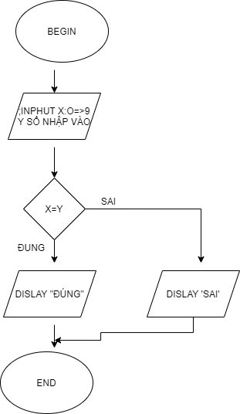
BEGIN

 | INPUT X :0->9 ,Y

 | IF X=Y THEN DISLAY" DUNG"

 | ELSE THEN DISLAY"SAI"
 | END IF
END

